Z-Table > 0
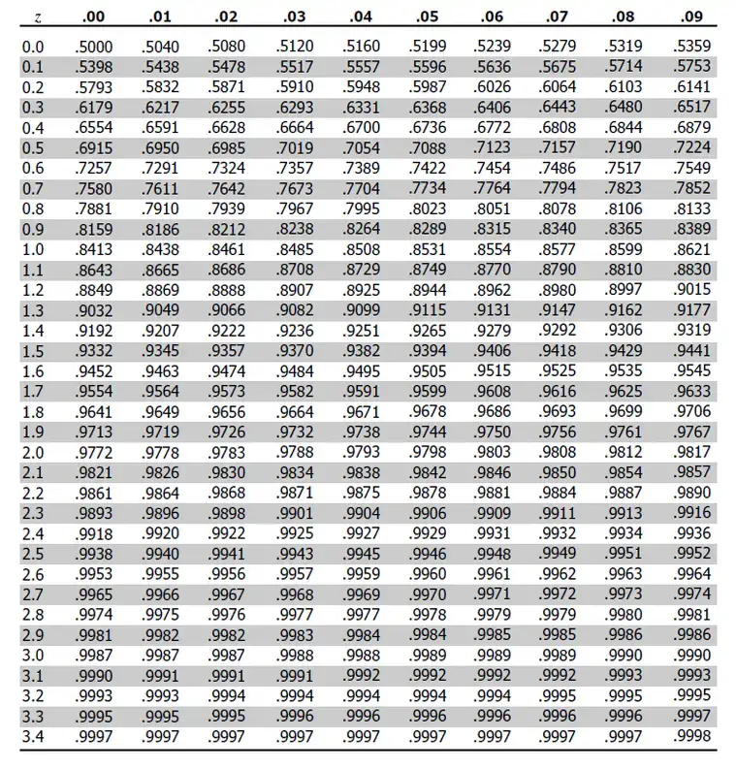
z | 0 | 0.01 | 0.02 | 0.03 | 0.04 | 0.05 | 0.06 | 0.07 | 0.08 | 0.09
0 | 0.5 | 0.504 | 0.508 | 0.512 | 0.516 | 0.5199 | 0.5239 | 0.5279 | 0.5319 | 0.5359
0.1 | 0.5398 | 0.5438 | 0.5478 | 0.5517 | 0.5557 | 0.5596 | 0.5636 | 0.5675 | 0.5714 | 0.5753
0.2 | 0.5793 | 0.5832 | 0.5871 | 0.591 | 0.5948 | 0.5987 | 0.6026 | 0.6064 | 0.6103 | 0.6141
0.3 | 0.6179 | 0.6217 | 0.6255 | 0.6293 | 0.6331 | 0.6368 | 0.6406 | 0.6443 | 0.648 | 0.6517
0.4 | 0.6554 | 0.6591 | 0.6628 | 0.6664 | 0.67 | 0.6736 | 0.6772 | 0.6808 | 0.6844 | 0.6879
0.5 | 0.6915 | 0.695 | 0.6985 | 0.7019 | 0.7054 | 0.7088 | 0.7123 | 0.7157 | 0.719 | 0.7224
0.6 | 0.7257 | 0.7291 | 0.7324 | 0.7357 | 0.7389 | 0.7422 | 0.7454 | 0.7486 | 0.7517 | 0.7549
0.7 | 0.758 | 0.7611 | 0.7642 | 0.7673 | 0.7704 | 0.7734 | 0.7764 | 0.7794 | 0.7823 | 0.7852
0.8 | 0.7881 | 0.791 | 0.7939 | 0.7967 | 0.7995 | 0.8023 | 0.8051 | 0.8078 | 0.8106 | 0.8133
0.9 | 0.8159 | 0.8186 | 0.8212 | 0.8238 | 0.8264 | 0.8289 | 0.8315 | 0.834 | 0.8365 | 0.8389
1 | 0.8413 | 0.8438 | 0.8461 | 0.8485 | 0.8508 | 0.8531 | 0.8554 | 0.8577 | 0.8599 | 0.8621
1.1 | 0.8643 | 0.8665 | 0.8686 | 0.8708 | 0.8729 | 0.8749 | 0.877 | 0.879 | 0.881 | 0.883
1.2 | 0.8849 | 0.8869 | 0.8888 | 0.8907 | 0.8925 | 0.8944 | 0.8962 | 0.898 | 0.8997 | 0.9015
1.3 | 0.9032 | 0.9049 | 0.9066 | 0.9082 | 0.9099 | 0.9115 | 0.9131 | 0.9147 | 0.9162 | 0.9177
1.4 | 0.9192 | 0.9207 | 0.9222 | 0.9236 | 0.9251 | 0.9265 | 0.9279 | 0.9292 | 0.9306 | 0.9319
1.5 | 0.9332 | 0.9345 | 0.9357 | 0.937 | 0.9382 | 0.9394 | 0.9406 | 0.9418 | 0.9429 | 0.9441
1.6 | 0.9452 | 0.9463 | 0.9474 | 0.9484 | 0.9495 | 0.9505 | 0.9515 | 0.9525 | 0.9535 | 0.9545
1.7 | 0.9554 | 0.9564 | 0.9573 | 0.9582 | 0.9591 | 0.9599 | 0.9608 | 0.9616 | 0.9625 | 0.9633
1.8 | 0.9641 | 0.9649 | 0.9656 | 0.9664 | 0.9671 | 0.9678 | 0.9686 | 0.9693 | 0.9699 | 0.9706
1.9 | 0.9713 | 0.9719 | 0.9726 | 0.9732 | 0.9738 | 0.9744 | 0.975 | 0.9756 | 0.9761 | 0.9767
2 | 0.9772 | 0.9778 | 0.9783 | 0.9788 | 0.9793 | 0.9798 | 0.9803 | 0.9808 | 0.9812 | 0.9817
2.1 | 0.9821 | 0.9826 | 0.983 | 0.9834 | 0.9838 | 0.9842 | 0.9846 | 0.985 | 0.9854 | 0.9857
2.2 | 0.9861 | 0.9864 | 0.9868 | 0.9871 | 0.9875 | 0.9878 | 0.9881 | 0.9884 | 0.9887 | 0.989
2.3 | 0.9893 | 0.9896 | 0.9898 | 0.9901 | 0.9904 | 0.9906 | 0.9909 | 0.9911 | 0.9913 | 0.9916
2.4 | 0.9918 | 0.992 | 0.9922 | 0.9925 | 0.9927 | 0.9929 | 0.9931 | 0.9932 | 0.9934 | 0.9936
2.5 | 0.9938 | 0.994 | 0.9941 | 0.9943 | 0.9945 | 0.9946 | 0.9948 | 0.9949 | 0.9951 | 0.9952
2.6 | 0.9953 | 0.9955 | 0.9956 | 0.9957 | 0.9959 | 0.996 | 0.9961 | 0.9962 | 0.9963 | 0.9964
2.7 | 0.9965 | 0.9966 | 0.9967 | 0.9968 | 0.9969 | 0.997 | 0.9971 | 0.9972 | 0.9973 | 0.9974
2.8 | 0.9974 | 0.9975 | 0.9976 | 0.9977 | 0.9977 | 0.9978 | 0.9979 | 0.9979 | 0.998 | 0.9981
2.9 | 0.9981 | 0.9982 | 0.9982 | 0.9983 | 0.9984 | 0.9984 | 0.9985 | 0.9985 | 0.9986 | 0.9986
3 | 0.9987 | 0.9987 | 0.9987 | 0.9988 | 0.9988 | 0.9989 | 0.9989 | 0.9989 | 0.999 | 0.999
3.1 | 0.999 | 0.9991 | 0.9991 | 0.9991 | 0.9992 | 0.9992 | 0.9992 | 0.9992 | 0.9993 | 0.9993
3.2 | 0.9993 | 0.9993 | 0.9994 | 0.9994 | 0.9994 | 0.9994 | 0.9994 | 0.9995 | 0.9995 | 0.9995
3.3 | 0.9995 | 0.9995 | 0.9995 | 0.9996 | 0.9996 | 0.9996 | 0.9996 | 0.9996 | 0.9996 | 0.9997
3.4 | 0.9997 | 0.9997 | 0.9997 | 0.9997 | 0.9997 | 0.9997 | 0.9997 | 0.9997 | 0.9997 | 0.9998

Z-Table < 0
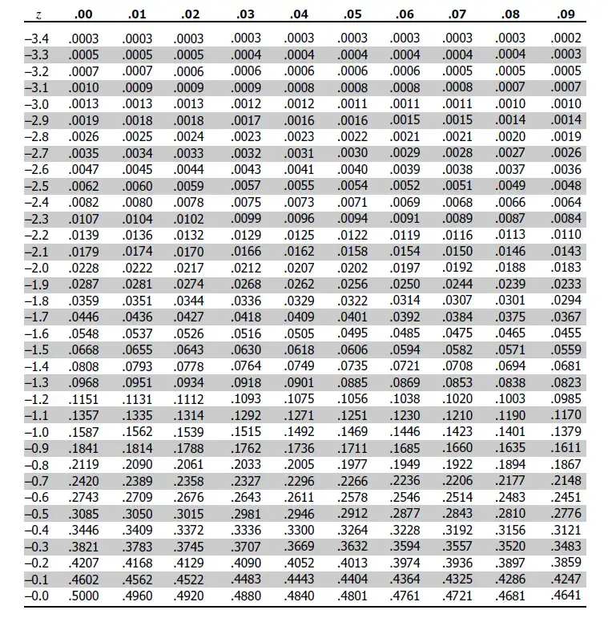
z | 0 | 0.01 | 0.02 | 0.03 | 0.04 | 0.05 | 0.06 | 0.07 | 0.08 | 0.09
-3.4 | 0.0003 | 0.0003 | 0.0003 | 0.0003 | 0.0003 | 0.0003 | 0.0003 | 0.0003 | 0.0003 | 0.0002
-3.3 | 0.0005 | 0.0005 | 0.0005 | 0.0004 | 0.0004 | 0.0004 | 0.0004 | 0.0004 | 0.0004 | 0.0003
-3.2 | 0.0007 | 0.0007 | 0.0006 | 0.0006 | 0.0006 | 0.0006 | 0.0006 | 0.0005 | 0.0005 | 0.0005
-3.1 | 0.001 | 0.0009 | 0.0009 | 0.0009 | 0.0008 | 0.0008 | 0.0008 | 0.0008 | 0.0007 | 0.0007
-3 | 0.0013 | 0.0013 | 0.0013 | 0.0012 | 0.0012 | 0.0011 | 0.0011 | 0.0011 | 0.001 | 0.001
-2.9 | 0.0019 | 0.0018 | 0.0018 | 0.0017 | 0.0016 | 0.0016 | 0.0015 | 0.0015 | 0.0014 | 0.0014
-2.8 | 0.0026 | 0.0025 | 0.0024 | 0.0023 | 0.0023 | 0.0022 | 0.0021 | 0.0021 | 0.002 | 0.0019
-2.7 | 0.0035 | 0.0034 | 0.0033 | 0.0032 | 0.0031 | 0.003 | 0.0029 | 0.0028 | 0.0027 | 0.0026
-2.6 | 0.0047 | 0.0045 | 0.0044 | 0.0043 | 0.0041 | 0.004 | 0.0039 | 0.0038 | 0.0037 | 0.0036
-2.5 | 0.0062 | 0.006 | 0.0059 | 0.0057 | 0.0055 | 0.0054 | 0.0052 | 0.0051 | 0.0049 | 0.0048
-2.4 | 0.0082 | 0.008 | 0.0078 | 0.0075 | 0.0073 | 0.0071 | 0.0069 | 0.0068 | 0.0066 | 0.0064
-2.3 | 0.0107 | 0.0104 | 0.0102 | 0.0099 | 0.0096 | 0.0094 | 0.0091 | 0.0089 | 0.0087 | 0.0084
-2.2 | 0.0139 | 0.0136 | 0.0132 | 0.0129 | 0.0125 | 0.0122 | 0.0119 | 0.0116 | 0.0113 | 0.011
-2.1 | 0.0179 | 0.0174 | 0.017 | 0.0166 | 0.0162 | 0.0158 | 0.0154 | 0.015 | 0.0146 | 0.0143
-2 | 0.0228 | 0.0222 | 0.0217 | 0.0212 | 0.0207 | 0.0202 | 0.0197 | 0.0192 | 0.0188 | 0.0183
-1.9 | 0.0287 | 0.0281 | 0.0274 | 0.0268 | 0.0262 | 0.0256 | 0.025 | 0.0244 | 0.0239 | 0.0233
-1.8 | 0.0359 | 0.0351 | 0.0344 | 0.0336 | 0.0329 | 0.0322 | 0.0314 | 0.0307 | 0.0301 | 0.0294
-1.7 | 0.0446 | 0.0436 | 0.0427 | 0.0418 | 0.0409 | 0.0401 | 0.0392 | 0.0384 | 0.0375 | 0.0367
-1.6 | 0.0548 | 0.0537 | 0.0526 | 0.0516 | 0.0505 | 0.0495 | 0.0485 | 0.0475 | 0.0465 | 0.0455
-1.5 | 0.0668 | 0.0655 | 0.0643 | 0.063 | 0.0618 | 0.0606 | 0.0594 | 0.0582 | 0.0571 | 0.0559
-1.4 | 0.0808 | 0.0793 | 0.0778 | 0.0764 | 0.0749 | 0.0735 | 0.0721 | 0.0708 | 0.0694 | 0.0681
-1.3 | 0.0968 | 0.0951 | 0.0934 | 0.0918 | 0.0901 | 0.0885 | 0.0869 | 0.0853 | 0.0838 | 0.0823
-1.2 | 0.1151 | 0.1131 | 0.1112 | 0.1093 | 0.1075 | 0.1056 | 0.1038 | 0.102 | 0.1003 | 0.0985
-1.1 | 0.1357 | 0.1335 | 0.1314 | 0.1292 | 0.1271 | 0.1251 | 0.123 | 0.121 | 0.119 | 0.117
-1 | 0.1587 | 0.1562 | 0.1539 | 0.1515 | 0.1492 | 0.1469 | 0.1446 | 0.1423 | 0.1401 | 0.1379
-0.9 | 0.1841 | 0.1814 | 0.1788 | 0.1762 | 0.1736 | 0.1711 | 0.1685 | 0.166 | 0.1635 | 0.1611
-0.8 | 0.2119 | 0.209 | 0.2061 | 0.2033 | 0.2005 | 0.1977 | 0.1949 | 0.1922 | 0.1894 | 0.1867
-0.7 | 0.242 | 0.2389 | 0.2358 | 0.2327 | 0.2296 | 0.2266 | 0.2236 | 0.2206 | 0.2177 | 0.2148
-0.6 | 0.2743 | 0.2709 | 0.2676 | 0.2643 | 0.2611 | 0.2578 | 0.2546 | 0.2514 | 0.2483 | 0.2451
-0.5 | 0.3085 | 0.305 | 0.3015 | 0.2981 | 0.2946 | 0.2912 | 0.2877 | 0.2843 | 0.281 | 0.2776
-0.4 | 0.3446 | 0.3409 | 0.3372 | 0.3336 | 0.33 | 0.3264 | 0.3228 | 0.3192 | 0.3156 | 0.3121
-0.3 | 0.3821 | 0.3783 | 0.3745 | 0.3707 | 0.3669 | 0.3632 | 0.3594 | 0.3557 | 0.352 | 0.3483
-0.2 | 0.4207 | 0.4168 | 0.4129 | 0.409 | 0.4052 | 0.4013 | 0.3974 | 0.3936 | 0.3897 | 0.3859
-0.1 | 0.4602 | 0.4562 | 0.4522 | 0.4483 | 0.4443 | 0.4404 | 0.4364 | 0.4325 | 0.4286 | 0.4247
0 | 0.5 | 0.496 | 0.492 | 0.488 | 0.484 | 0.4801 | 0.4761 | 0.4721 | 0.4681 | 0.4641

T-Distribution
 | 1 Degree of Freedom | 3 Degrees of Freedom | 30 Degrees of Freedom
-3 | 0.031830988618 | 0.022972037309 | 0.0067790627461
-2.9 | 0.033826767926 | 0.025409183885 | 0.0085858698631
-2.8 | 0.036007905677 | 0.028151623178 | 0.010825016894
-2.7 | 0.038396849962 | 0.031241455257 | 0.0135827942
-2.6 | 0.04101931523 | 0.034726608402 | 0.016957068343
-2.5 | 0.043904811887 | 0.038661485727 | 0.021057019221
-2.4 | 0.04708726127 | 0.043107594876 | 0.026002173733
-2.3 | 0.050605705276 | 0.04813410976 | 0.031920549432
-2.2 | 0.054505117497 | 0.053818288157 | 0.038945725133
-2.1 | 0.058837317224 | 0.06024563539 | 0.047212678194
-2 | 0.063661977237 | 0.067509660664 | 0.056852275047
-1.9 | 0.069047697654 | 0.075711018068 | 0.067984376569
-1.8 | 0.075073086364 | 0.08495575928 | 0.080709624798
-1.7 | 0.081827734237 | 0.095352353202 | 0.095100110953
-1.6 | 0.089412889377 | 0.10700705749 | 0.11118928083
-1.5 | 0.097941503441 | 0.12001717451 | 0.12896160174
-1.4 | 0.10753712371 | 0.13446171682 | 0.14834267892
-1.3 | 0.11833081271 | 0.15038908591 | 0.16919064854
-1.2 | 0.13045487139 | 0.16780158736 | 0.19128976491
-1.1 | 0.14403162271 | 0.18663702939 | 0.21434711786
-1 | 0.15915494309 | 0.20674833578 | 0.23799334232
-0.9 | 0.17586181557 | 0.22788306587 | 0.2617880021
-0.8 | 0.19409139401 | 0.24966590482 | 0.28523004321
-0.7 | 0.2136307961 | 0.27158835909 | 0.30777333104
-0.6 | 0.2340513869 | 0.29301067996 | 0.32884683827
-0.5 | 0.25464790895 | 0.31318091101 | 0.3478785797
-0.4 | 0.2744050743 | 0.33127437235 | 0.36432194853
-0.3 | 0.29202741852 | 0.34645357427 | 0.37768275261
-0.2 | 0.30606719825 | 0.35794379464 | 0.38754503154
-0.1 | 0.31515830315 | 0.36511444383 | 0.39359369563
0 | 0.31830988618 | 0.36755259695 | 0.39563218489
0.1 | 0.31515830315 | 0.36511444383 | 0.39359369563
0.2 | 0.30606719825 | 0.35794379464 | 0.38754503154
0.3 | 0.29202741852 | 0.34645357427 | 0.37768275261
0.4 | 0.2744050743 | 0.33127437235 | 0.36432194853
0.5 | 0.25464790895 | 0.31318091101 | 0.3478785797
0.6 | 0.2340513869 | 0.29301067996 | 0.32884683827
0.7 | 0.2136307961 | 0.27158835909 | 0.30777333104
0.8 | 0.19409139401 | 0.24966590482 | 0.28523004321
0.9 | 0.17586181557 | 0.22788306587 | 0.2617880021
1 | 0.15915494309 | 0.20674833578 | 0.23799334232
1.1 | 0.14403162271 | 0.18663702939 | 0.21434711786
1.2 | 0.13045487139 | 0.16780158736 | 0.19128976491
1.3 | 0.11833081271 | 0.15038908591 | 0.16919064854
1.4 | 0.10753712371 | 0.13446171682 | 0.14834267892
1.5 | 0.097941503441 | 0.12001717451 | 0.12896160174
1.6 | 0.089412889377 | 0.10700705749 | 0.11118928083
1.7 | 0.081827734237 | 0.095352353202 | 0.095100110953
1.8 | 0.075073086364 | 0.08495575928 | 0.080709624798
1.9 | 0.069047697654 | 0.075711018068 | 0.067984376569
...
 | 1 Degree of Freedom | 3 Degrees of Freedom | 30 Degrees of Freedom
-3 | 0.031830988618 | 0.022972037309 | 0.0067790627461
-2.9 | 0.033826767926 | 0.025409183885 | 0.0085858698631
-2.8 | 0.036007905677 | 0.028151623178 | 0.010825016894
-2.7 | 0.038396849962 | 0.031241455257 | 0.0135827942
-2.6 | 0.04101931523 | 0.034726608402 | 0.016957068343
-2.5 | 0.043904811887 | 0.038661485727 | 0.021057019221
-2.4 | 0.04708726127 | 0.043107594876 | 0.026002173733
-2.3 | 0.050605705276 | 0.04813410976 | 0.031920549432
-2.2 | 0.054505117497 | 0.053818288157 | 0.038945725133
-2.1 | 0.058837317224 | 0.06024563539 | 0.047212678194
-2 | 0.063661977237 | 0.067509660664 | 0.056852275047
-1.9 | 0.069047697654 | 0.075711018068 | 0.067984376569
-1.8 | 0.075073086364 | 0.08495575928 | 0.080709624798
-1.7 | 0.081827734237 | 0.095352353202 | 0.095100110953
-1.6 | 0.089412889377 | 0.10700705749 | 0.11118928083
-1.5 | 0.097941503441 | 0.12001717451 | 0.12896160174
-1.4 | 0.10753712371 | 0.13446171682 | 0.14834267892
-1.3 | 0.11833081271 | 0.15038908591 | 0.16919064854
-1.2 | 0.13045487139 | 0.16780158736 | 0.19128976491
-1.1 | 0.14403162271 | 0.18663702939 | 0.21434711786
-1 | 0.15915494309 | 0.20674833578 | 0.23799334232
-0.9 | 0.17586181557 | 0.22788306587 | 0.2617880021
-0.8 | 0.19409139401 | 0.24966590482 | 0.28523004321
-0.7 | 0.2136307961 | 0.27158835909 | 0.30777333104
-0.6 | 0.2340513869 | 0.29301067996 | 0.32884683827
-0.5 | 0.25464790895 | 0.31318091101 | 0.3478785797
-0.4 | 0.2744050743 | 0.33127437235 | 0.36432194853
-0.3 | 0.29202741852 | 0.34645357427 | 0.37768275261
-0.2 | 0.30606719825 | 0.35794379464 | 0.38754503154
-0.1 | 0.31515830315 | 0.36511444383 | 0.39359369563
0 | 0.31830988618 | 0.36755259695 | 0.39563218489
0.1 | 0.31515830315 | 0.36511444383 | 0.39359369563
0.2 | 0.30606719825 | 0.35794379464 | 0.38754503154
0.3 | 0.29202741852 | 0.34645357427 | 0.37768275261
0.4 | 0.2744050743 | 0.33127437235 | 0.36432194853
0.5 | 0.25464790895 | 0.31318091101 | 0.3478785797
0.6 | 0.2340513869 | 0.29301067996 | 0.32884683827
0.7 | 0.2136307961 | 0.27158835909 | 0.30777333104
0.8 | 0.19409139401 | 0.24966590482 | 0.28523004321
0.9 | 0.17586181557 | 0.22788306587 | 0.2617880021
1 | 0.15915494309 | 0.20674833578 | 0.23799334232
1.1 | 0.14403162271 | 0.18663702939 | 0.21434711786
1.2 | 0.13045487139 | 0.16780158736 | 0.19128976491
1.3 | 0.11833081271 | 0.15038908591 | 0.16919064854
1.4 | 0.10753712371 | 0.13446171682 | 0.14834267892
1.5 | 0.097941503441 | 0.12001717451 | 0.12896160174
1.6 | 0.089412889377 | 0.10700705749 | 0.11118928083
1.7 | 0.081827734237 | 0.095352353202 | 0.095100110953
1.8 | 0.075073086364 | 0.08495575928 | 0.080709624798
1.9 | 0.069047697654 | 0.075711018068 | 0.067984376569
2 | 0.063661977237 | 0.067509660664 | 0.056852275047
2.1 | 0.058837317224 | 0.06024563539 | 0.047212678194
2.2 | 0.054505117497 | 0.053818288157 | 0.038945725133
2.3 | 0.050605705276 | 0.04813410976 | 0.031920549432
2.4 | 0.04708726127 | 0.043107594876 | 0.026002173733
2.5 | 0.043904811887 | 0.038661485727 | 0.021057019221
2.6 | 0.04101931523 | 0.034726608402 | 0.016957068343
2.7 | 0.038396849962 | 0.031241455257 | 0.0135827942
2.8 | 0.036007905677 | 0.028151623178 | 0.010825016894
2.9 | 0.033826767926 | 0.025409183885 | 0.0085858698631
3 | 0.031830988618 | 0.022972037309 | 0.0067790627461

T-Table
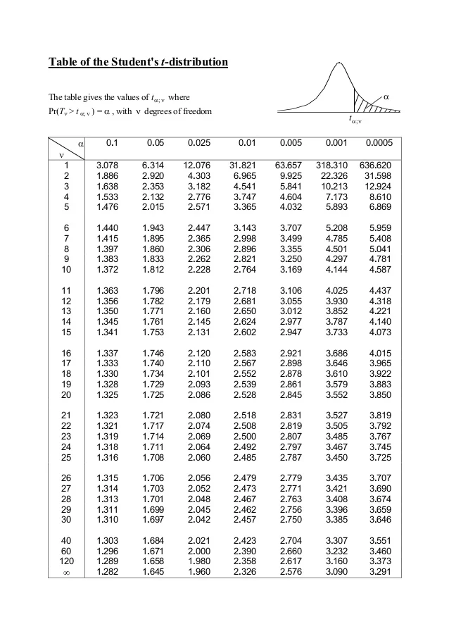
Area one tailed |  |  |  |  |  |  |  |  |  |  |  | https://datatab.net/tutorial/t-distribution | The site states 1-alpha, we need to modify its header
df | 0.5 | 0.25 | 0.2 | 0.15 | 0.1 | 0.05 | 0.025 | 0.01 | 0.005 | 0.001 | 0.0005
1 | 0 | 1 | 1.376 | 1.963 | 3.078 | 6.314 | 12.71 | 31.82 | 63.66 | 318.31 | 636.62
2 | 0 | 0.816 | 1.061 | 1.386 | 1.886 | 2.92 | 4.303 | 6.965 | 9.925 | 22.327 | 31.599
3 | 0 | 0.765 | 0.978 | 1.25 | 1.638 | 2.353 | 3.182 | 4.541 | 5.841 | 10.215 | 12.924
4 | 0 | 0.741 | 0.941 | 1.19 | 1.533 | 2.132 | 2.776 | 3.747 | 4.604 | 7.173 | 8.61
5 | 0 | 0.727 | 0.92 | 1.156 | 1.476 | 2.015 | 2.571 | 3.365 | 4.032 | 5.893 | 6.869
6 | 0 | 0.718 | 0.906 | 1.134 | 1.44 | 1.943 | 2.447 | 3.143 | 3.707 | 5.208 | 5.959
7 | 0 | 0.711 | 0.896 | 1.119 | 1.415 | 1.895 | 2.365 | 2.998 | 3.499 | 4.785 | 5.408
8 | 0 | 0.706 | 0.889 | 1.108 | 1.397 | 1.86 | 2.306 | 2.896 | 3.355 | 4.501 | 5.041
9 | 0 | 0.703 | 0.883 | 1.1 | 1.383 | 1.833 | 2.262 | 2.821 | 3.25 | 4.297 | 4.781
10 | 0 | 0.7 | 0.879 | 1.093 | 1.372 | 1.812 | 2.228 | 2.764 | 3.169 | 4.144 | 4.587
11 | 0 | 0.697 | 0.876 | 1.088 | 1.363 | 1.796 | 2.201 | 2.718 | 3.106 | 4.025 | 4.437
12 | 0 | 0.695 | 0.873 | 1.083 | 1.356 | 1.782 | 2.179 | 2.681 | 3.055 | 3.93 | 4.318
13 | 0 | 0.694 | 0.87 | 1.079 | 1.35 | 1.771 | 2.16 | 2.65 | 3.012 | 3.852 | 4.221
14 | 0 | 0.692 | 0.868 | 1.076 | 1.345 | 1.761 | 2.145 | 2.624 | 2.977 | 3.787 | 4.14
15 | 0 | 0.691 | 0.866 | 1.074 | 1.341 | 1.753 | 2.131 | 2.602 | 2.947 | 3.733 | 4.073
16 | 0 | 0.69 | 0.865 | 1.071 | 1.337 | 1.746 | 2.12 | 2.583 | 2.921 | 3.686 | 4.015
17 | 0 | 0.689 | 0.863 | 1.069 | 1.333 | 1.74 | 2.11 | 2.567 | 2.898 | 3.646 | 3.965
18 | 0 | 0.688 | 0.862 | 1.067 | 1.33 | 1.734 | 2.101 | 2.552 | 2.878 | 3.61 | 3.922
19 | 0 | 0.688 | 0.861 | 1.066 | 1.328 | 1.729 | 2.093 | 2.539 | 2.861 | 3.579 | 3.883
20 | 0 | 0.687 | 0.86 | 1.064 | 1.325 | 1.725 | 2.086 | 2.528 | 2.845 | 3.552 | 3.85
21 | 0 | 0.686 | 0.859 | 1.063 | 1.323 | 1.721 | 2.08 | 2.518 | 2.831 | 3.527 | 3.819
22 | 0 | 0.686 | 0.858 | 1.061 | 1.321 | 1.717 | 2.074 | 2.508 | 2.819 | 3.505 | 3.792
23 | 0 | 0.685 | 0.858 | 1.06 | 1.319 | 1.714 | 2.069 | 2.5 | 2.807 | 3.485 | 3.768
24 | 0 | 0.685 | 0.857 | 1.059 | 1.318 | 1.711 | 2.064 | 2.492 | 2.797 | 3.467 | 3.745
25 | 0 | 0.684 | 0.856 | 1.058 | 1.316 | 1.708 | 2.06 | 2.485 | 2.787 | 3.45 | 3.725
26 | 0 | 0.684 | 0.856 | 1.058 | 1.315 | 1.706 | 2.056 | 2.479 | 2.779 | 3.435 | 3.707
27 | 0 | 0.684 | 0.855 | 1.057 | 1.314 | 1.703 | 2.052 | 2.473 | 2.771 | 3.421 | 3.69
28 | 0 | 0.683 | 0.855 | 1.056 | 1.313 | 1.701 | 2.048 | 2.467 | 2.763 | 3.408 | 3.674
29 | 0 | 0.683 | 0.854 | 1.055 | 1.311 | 1.699 | 2.045 | 2.462 | 2.756 | 3.396 | 3.659
30 | 0 | 0.683 | 0.854 | 1.055 | 1.31 | 1.697 | 2.042 | 2.457 | 2.75 | 3.385 | 3.646
40 | 0 | 0.681 | 0.851 | 1.05 | 1.303 | 1.684 | 2.021 | 2.423 | 2.704 | 3.307 | 3.551
60 | 0 | 0.679 | 0.848 | 1.045 | 1.296 | 1.671 | 2 | 2.39 | 2.66 | 3.232 | 3.46
80 | 0 | 0.678 | 0.846 | 1.043 | 1.292 | 1.664 | 1.99 | 2.374 | 2.639 | 3.195 | 3.416
100 | 0 | 0.677 | 0.845 | 1.042 | 1.29 | 1.66 | 1.984 | 2.364 | 2.626 | 3.174 | 3.39
1000 | 0 | 0.675 | 0.842 | 1.037 | 1.282 | 1.646 | 1.962 | 2.33 | 2.581 | 3.098 | 3.3

